Module
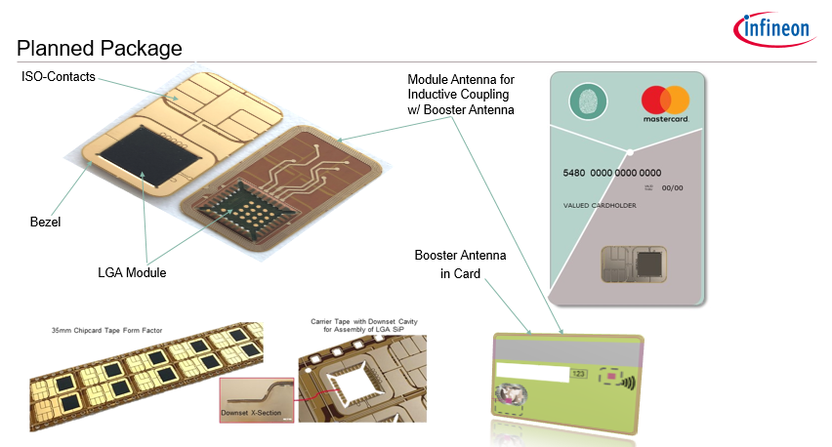
 | Module Name
 | Input spooler
 | Indexing downset 1 pitch
 | Indexing 12 pitch
 | Indexing visual inspection 1 pitch
 | Buffer 1
 | Buffer 2
 | Output spooler

 | Input badhole detection unit
 | Downset unit

 | Jetter dispense unit 01
 | Jetter dispense unit 02
 | Jetter dispense unit 03
 | Jetter dispense unit 04
 | Jetter dispense unit 05
 | Jetter dispense unit 06

 | Dispense AOI

 | Pick & Place LGA (ASM)
 | JEDEC Tray handler

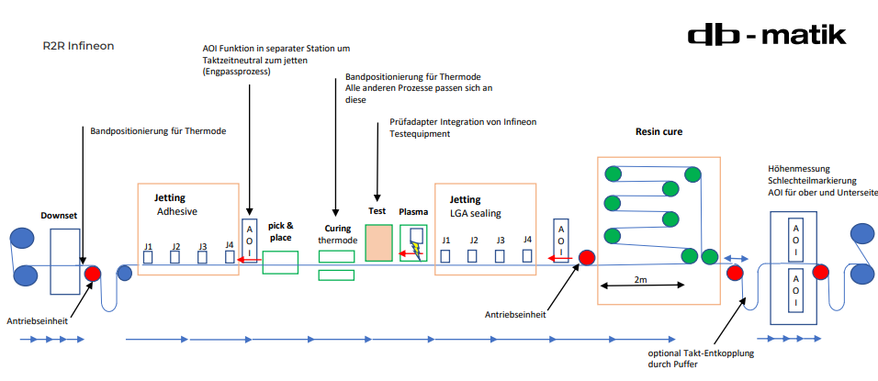
 | Pin Curing station
 | Electrical inline test
 | Plasma unit

 | Jetter sealing unit 01
 | Jetter sealing unit 02
 | Jetter sealing unit 03
 | Jetter sealing unit 04
 | Jetter sealing unit 05
 | Jetter sealing unit 06

 | Sealing AOI

 | Oven for curing

 | VI module (assembly side)
 | VI module (ISO side)
 | Module height measurement station
 | Bad mark punch unit

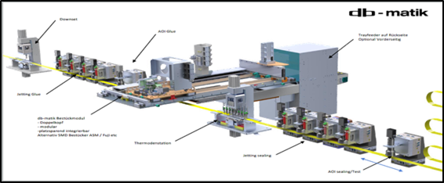

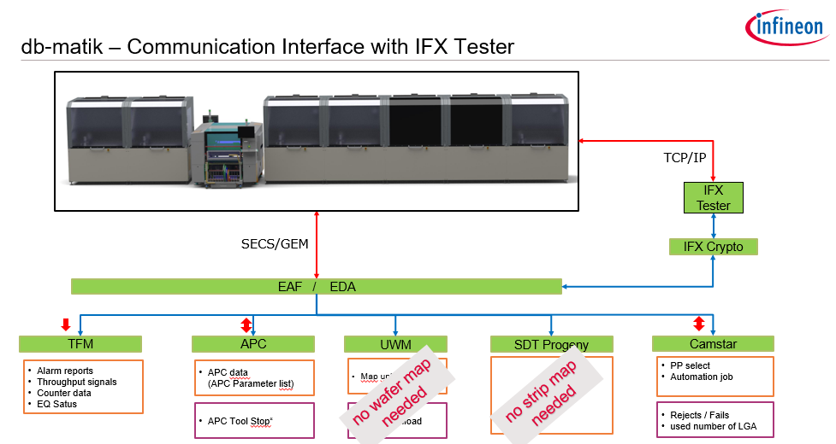

 | Topic | Description (incl. Parameter Name) | Frequency
 |  |  | (of process data delivery)
1 | Lot Data | Lot Data including Lot number (Job ID, PP ID) | at lot start (~30 min)
2 | F1 Material (SV) | all F1 materials: Glue, Sealing LGA, … | at the change / check in of materials (~20 min)
3 | Tools | all tools used at the equipment: Downset, Curing, Die-Ejector, Pick-Up-Tool, … | at the installation (~8h)
4 | Temperature | All available Temperatures, the set temperature and the measured temperature. | at each index step (~12s)
5 | Pressures | Jetter Parameter, Curing Force, vacuum pick tools (predictive maintenance (wearing)) | at each index step
6 | Forces | Place Force, Curing Force, Downset Force (predictive maintenance (wearing)) | at each module
7 | Torques | Driving torque indexer (Tape Jam), Driving torque separation tape (Tearing) | at each index step
8 | Work positions | All the work positions of each station: e.g. Curing, Jetter, … | at each module
 |  |  | at each index step
9 | Counters | All installed counters: Jetter, Downset, Plasma, Test Box, … | at lot start
10 | Speed | eg. Index speed, dispensing speed, pick & place speed, .. | at each index step
11 | Process parameter | Parameters from recipe (setting) | at lot start
12 | EQ Parameter | Parameters measured from EQ during processing | at each index step
13 | Visions (PRS recognition) | All vision systems: Pass / Fail, PRS position (X, Y & Rotation), detected level (eg. gray value, area, LGA position ) , … | at each module
14 | each Jetter | Air Pressure, Rising, Falling, Open Time, Needle Lift, Delay, No. of Pulsess, Nozzle Heater temperature, Num of Clean Moves, Clean interval Time, | at each index step
15 | Plasma | Pressure, Power, runtime, Step Width, Axis Start Position, Axis End Position, Axis Standby Position, … | at lot start
16 | Height measurement | Module height, Track, .. | at each module
17 | Curing | Tilt, Track, … | at each module
 |  |  | at each index step
18 | AOI finale inspection | Picture with lot number and module counter stored on EQ | at each module

